Adaptaciones de Simplex
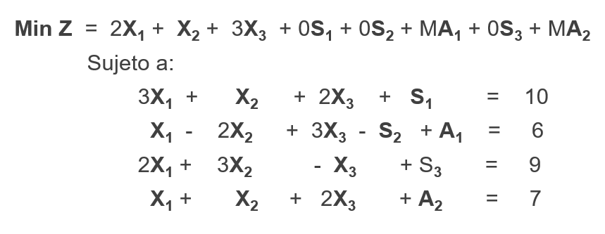
 |  | Tabla 0 | Coeficientes
 |  | Base | X1 | X2 | X3 | S1 | S2 | A1 | S3 | A2 | Lado Derecho
 |  | -Z | 2 | 1 | 3 | 0 | 0 | M | 0 | M | 0
 |  | S1 | 3 | 1 | 2 | 1 | 0 | 0 | 0 | 0 | 10
 |  | A1 | 1 | -2 | 3 | 0 | -1 | 1 | 0 | 0 | 6
 |  | S3 | 2 | 3 | -1 | 0 | 0 | 0 | 1 | 0 | 9
 |  | A2 | 1 | 1 | 2 | 0 | 0 | 0 | 0 | 1 | 7

 |  | Tabla 0 | Coeficientes
 |  | Base | X1 | X2 | X3 | S1 | S2 | A1 | S3 | A2 | Lado Derecho
Forma Estandar | -M*f3+f1==> | -Z | 2-M | 2M+1 | 3-3M | 0 | M | 0 | 0 | M | -6M
 |  | S1 | 3 | 1 | 2 | 1 | 0 | 0 | 0 | 0 | 10
Max -Z = -2X1 -X2 - 3X3 -0S1 - 0S2 -MA1 -0S3 - MA2 |  | A1 | 1 | -2 | 3 | 0 | -1 | 1 | 0 | 0 | 6
 |  | S3 | 2 | 3 | -1 | 0 | 0 | 0 | 1 | 0 | 9
Max -Z +2X1 +X2 +3X3 +0S1 + 0S2 +MA1 +0S3 +MA2 |  | A2 | 1 | 1 | 2 | 0 | 0 | 0 | 0 | 1 | 7
S.a.
3X1+X2+2X3+S1 = 10 |  | Tabla 0 | Coeficientes
X1 - 2X2 + 3X3 -S2 + A1 =6 |  | Base | X1 | X2 | X3 | X4 | X5 | X6 | X7 | X8 | Lado Derecho
2X1 + 3X2 - X3 + S3 = 9 | -M*f5+f1 | -Z | 2-2M | M+1 | 3-5M | 0 | M | 0 | 0 | 0 | -13M
X1 + X2 + 2X3 + A2 = 7 |  | S1 | 3 | 1 | 2 | 1 | 0 | 0 | 0 | 0 | 10 | 5
 |  | A1 | 1 | -2 | 3 | 0 | -1 | 1 | 0 | 0 | 6 | 2
 |  | S3 | 2 | 3 | -1 | 0 | 0 | 0 | 1 | 0 | 9
 |  | A2 | 1 | 1 | 2 | 0 | 0 | 0 | 0 | 1 | 7 | 3.5

Ejemplo MIn
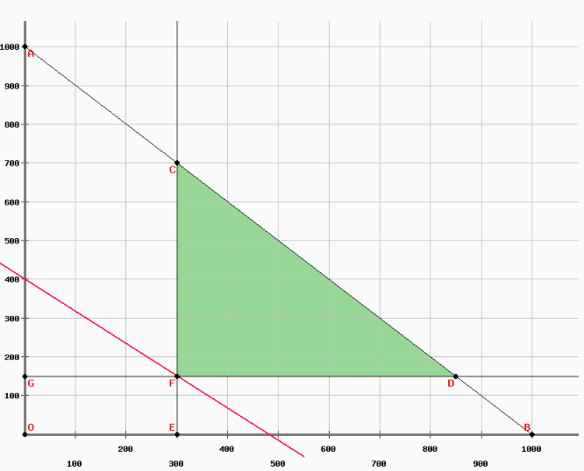
MINIMIZAR: Z = 5 X1 + 6 X2 |  | Tabla 0 | Coeficientes
1 X1 + 1 X2 ≤ 1000 |  | Base | X1 | X2 | X3 | X4 | X5 | X6 | X7 | Lado Derecho
1 X1 + 0 X2 ≥ 300 |  | -Z | 5 | 6 | 0 | 0 | M | 0 | M | 0
0 X1 + 1 X2 ≥ 150 |  | X3 | 1 | 1 | 1 | 0 | 0 | 0 | 0 | 1000
X1, X2 ≥ 0 |  | X5 | 1 | 0 | 0 | -1 | 1 | 0 | 0 | 300
 |  | X7 | 0 | 1 | 0 | 0 | 0 | -1 | 1 | 150

 |  | Tabla 0 | Coeficientes
 |  | Base | X1 | X2 | X3 | X4 | X5 | X6 | X7 | Lado Derecho
 | -M*f3+f1==> | -Z | 5-M | 6 | 0 | M | 0 | 0 | M | -300M
 |  | X3 | 1 | 1 | 1 | 0 | 0 | 0 | 0 | 1000
 |  | X5 | 1 | 0 | 0 | -1 | 1 | 0 | 0 | 300
 |  | X7 | 0 | 1 | 0 | 0 | 0 | -1 | 1 | 150

 |  | Tabla 0 | Coeficientes
 |  | Base | X1 | X2 | X3 | X4 | X5 | X6 | X7 | Lado Derecho
 | -M*f4+f1==> | -Z | 5-M | 6-M | 0 | M | 0 | M | 0 | -450M
 |  | X3 | 1 | 1 | 1 | 0 | 0 | 0 | 0 | 1000
 |  | X5 | 1 | 0 | 0 | -1 | 1 | 0 | 0 | 300
 |  | X7 | 0 | 1 | 0 | 0 | 0 | -1 | 1 | 150

 |  | Tabla 1 | Coeficientes
 |  | Base | X1 | X2 | X3 | X4 | X5 | X6 | X7 | Lado Derecho
 | (M-5)*f3+f1==> | -Z | 0 | 6-M | 0 | 5 | M-5 | M | 0 | -150M-1500
 | -1*f3+f2==> | X3 | 0 | 1 | 0 | 1 | -1 | 0 | 0 | 700
 |  | X1 | 1 | 0 | 0 | -1 | 1 | 0 | 0 | 300
 |  | X7 | 0 | 1 | 0 | 0 | 0 | -1 | 1 | 150

 |  | Tabla 2 | Coeficientes
 |  | Base | X1 | X2 | X3 | X4 | X5 | X6 | X7 | Lado Derecho
 | (M-6)*f3+f1==> | -Z | 0 | 0 | 0 | 5 | M-5 | 6 | M-6 | -2400
 | -1*f4+f2==> | X3 | 0 | 0 | 0 | 1 | -1 | 1 | -1 | 550
 |  | X1 | 1 | 0 | 0 | -1 | 1 | 0 | 0 | 300
 |  | X2 | 0 | 1 | 0 | 0 | 0 | -1 | 1 | 150

Hoja2
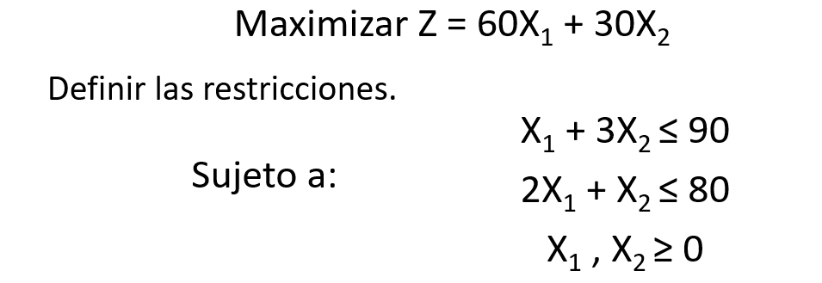
 |  | Tabla 0
 |  | Base | X1 | X2 | X3 | X4 | Lado Derecho
 |  | Z | -60 | -30 | 0 | 0 | 0
 |  | X3 | 1 | 3 | 1 | 0 | 90 | 90
 |  | X4 | 2 | 1 | 0 | 1 | 80 | 40

 |  | Tabla 1
Forma Estándar |  | Base | X1 | X2 | X3 | X4 | Lado Derecho
 | 60*f3+f1==> | Z | 0 | 0 | 0 | 30 | 2400
Max Z -60X1 - 30X2 -0X3 - 0X4 = 0 | -1*f3+f2 | X3 | 0 | 2.5 | 1 | -0.5 | 50
S.a. | 1/2*f3==> | X1 | 1 | 0.5 | 0 | 0.5 | 40
X1 + 3X2 + X3 = 90
2X1 + X2 + X4 = 80 | X1=40
Xi≥0 ꓯ i | X2=0
 | Z=2400

Practica 7
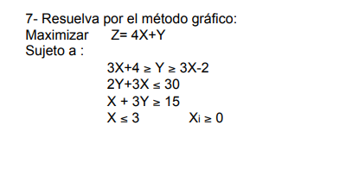
Adaptacion

